Literature
molality vs temperature
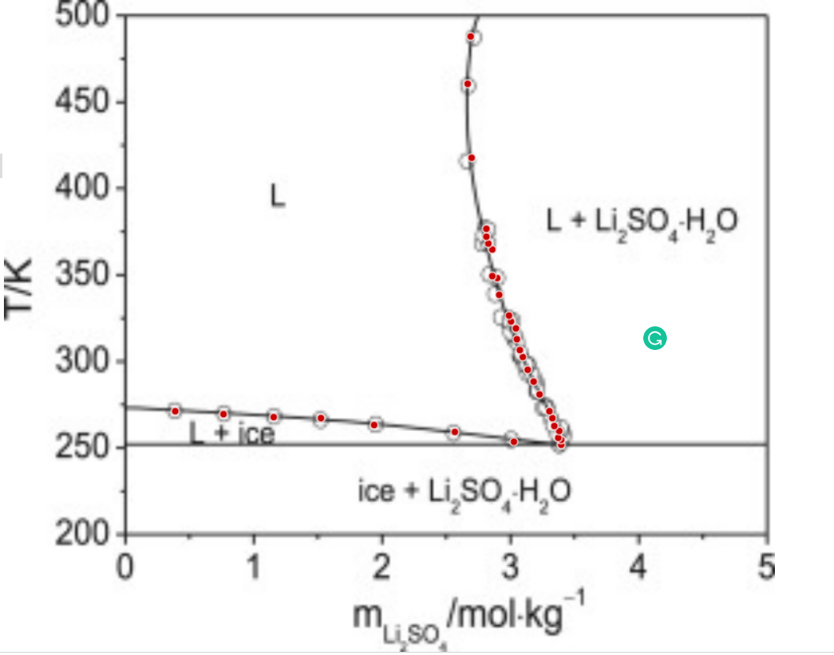
 | v | 3
 | 1000/W | 55.555555556

0.39721750992 | 271.77023033 |  | 0.020999315561
0.77343371984 | 270.10528341 |  | 0.040091003248
1.1650110472 | 268.44208538 |  | 0.059187100733
1.5336341431 | 267.91479389 |  | 0.076482269458
1.9480782572 | 263.97715945 |  | 0.095183301773
2.5775780152 | 260.06400951 |  | 0.12218269911
3.0379743146 | 254.42382693 |  | 0.14093082479
3.4065099658 | 252.75800556 |  | 0.15537083421
3.4067285775 | 255.60433026 |  | 0.15537925582
3.3837743461 | 256.7402368 |  | 0.15449406904
3.3917609612 | 260.72596583 |  | 0.15480226824
phi2 vs T from Literature
3.3535767794 | 263.56791829 |  | 0.15332672676
3.3385654407 | 268.12028892 |  | 0.15274523568
3.315829821 | 272.10252016 |  | 0.1518630082
3.2397675137 | 281.77127967 |  | 0.14889810295
3.1942525519 | 289.1664772 |  | 0.14711399764
3.1486938678 | 295.9924098 |  | 0.14532067216
3.1108594647 | 303.38848179 |  | 0.14382565542
3.088123845 | 307.37071302 |  | 0.14292474476
3.0655631147 | 313.63000402 |  | 0.14202888808
3.0583635018 | 319.89104391 |  | 0.14174260669
3.0202667646 | 323.87152626 |  | 0.1402245635
3.0051679813 | 327.28536701 |  | 0.13962143433
2.9292805634 | 339.23118627 |  | 0.13657721019
2.9146627258 | 348.90694136 |  | 0.13598833942
2.876347377 | 350.041099 |  | 0.13444100987
2.8775278803 | 365.41125238 |  | 0.13448876613
2.8470679795 | 368.82334423 |  | 0.13325484792
2.8320129185 | 372.80644992 |  | 0.13264367338
2.8323626973 | 377.36056944 |  | 0.13265788277
2.7203023254 | 418.33452841 |  | 0.12808160799
2.6928592665 | 461.02590112 |  | 0.12695352908
2.7179996152 | 488.35324157 |  | 0.12798706446

v8
phi2 vs T from Literature
0.020999315561 | 271.77023033 | 0.14311 | 258
0.040091003248 | 270.10528341 | 0.131278 | 259
0.059187100733 | 268.44208538 | 0.119455 | 260
0.076482269458 | 267.91479389 | 0.108714 | 261
0.095183301773 | 263.97715945 | 0.095834 | 262
0.12218269911 | 260.06400951 | 0.0722462 | 264
0.14093082479 | 254.42382693 | 0.0362623 | 267
0.15537083421 | 252.75800556 | 0.0288311 | 268
0.15537925582 | 255.60433026 | 0.0133126 | 269
0.15449406904 | 256.7402368
0.15480226824 | 260.72596583
0.15332672676 | 263.56791829
0.15274523568 | 268.12028892
0.1518630082 | 272.10252016
0.14889810295 | 281.77127967
0.14711399764 | 289.1664772
0.14532067216 | 295.9924098
0.14382565542 | 303.38848179
0.14292474476 | 307.37071302
0.14202888808 | 313.63000402
0.14174260669 | 319.89104391
0.1402245635 | 323.87152626
0.13962143433 | 327.28536701
0.13657721019 | 339.23118627
0.13598833942 | 348.90694136
0.13444100987 | 350.041099
0.13448876613 | 365.41125238
0.13325484792 | 368.82334423
0.13264367338 | 372.80644992
0.13265788277 | 377.36056944
0.12808160799 | 418.33452841
0.12695352908 | 461.02590112
0.12798706446 | 488.35324157
0.14311 | 258
0.131278 | 259
0.119455 | 260
0.108714 | 261
0.095834 | 262
0.0722462 | 264
0.0362623 | 267
0.0288311 | 268
0.0133126 | 269
{m1- | 0.14311,m2- | 0.14311 | 258
{m1- | 0.131278,m2- | 0.131278 | 259
{m1- | 0.119455,m2- | 0.119455 | 260
{m1- | 0.108714,m2- | 0.108714 | 261
{m1- | 0.095834,m2- | 0.095834 | 262
{m1- | 0.0673746,m2- | 0.0722462 | 264
{m1- | 0.0722462,m2- | 0.0362623 | 267
{m1- | 0.0737639,m2- | 0.0288311 | 268
{m1- | 0.068657,m2- | 0.0133126 | 269
{m1- | 0.0466495,m2-
{m1- | 0.0362623,m2-
{m1- | 0.0288311,m2-
{m1- | 0.0133126,m2-

v5
phi2 vs T from Literature
0.020999315561 | 271.77023033 | 0.129939 | 494
0.040091003248 | 270.10528341 | 0.12944 | 485
0.059187100733 | 268.44208538 | 0.129394 | 484
0.076482269458 | 267.91479389 | 0.129155 | 478
0.095183301773 | 263.97715945 | 0.129308 | 473
0.12218269911 | 260.06400951 | 0.128957 | 471
0.14093082479 | 254.42382693 | 0.128935 | 470
0.15537083421 | 252.75800556 | 0.128821 | 461
0.15537925582 | 255.60433026 | 0.128815 | 457
0.15449406904 | 256.7402368 | 0.128817 | 456
0.15480226824 | 260.72596583 | 0.128827 | 454
0.15332672676 | 263.56791829 | 0.128835 | 453
0.15274523568 | 268.12028892 | 0.128897 | 448
0.1518630082 | 272.10252016 | 0.128954 | 445
0.14889810295 | 281.77127967 | 0.129 | 443
0.14711399764 | 289.1664772 | 0.129175 | 437
0.14532067216 | 295.9924098 | 0.129364 | 432
0.14382565542 | 303.38848179 | 0.129592 | 427
0.14292474476 | 307.37071302 | 0.129642 | 426
0.14202888808 | 313.63000402 | 0.130427 | 413
0.14174260669 | 319.89104391 | 0.130794 | 408
0.1402245635 | 323.87152626 | 0.130951 | 406
0.13962143433 | 327.28536701 | 0.131032 | 405
0.13657721019 | 339.23118627 | 0.131113 | 404
0.13598833942 | 348.90694136 | 0.131197 | 403
0.13444100987 | 350.041099 | 0.131543 | 399
0.13448876613 | 365.41125238 | 0.131633 | 398
0.13325484792 | 368.82334423 | 0.131911 | 395
0.13264367338 | 372.80644992 | 0.132007 | 394
0.13265788277 | 377.36056944 | 0.132301 | 391
0.12808160799 | 418.33452841 | 0.132401 | 390
0.12695352908 | 461.02590112 | 0.132711 | 387
0.12798706446 | 488.35324157 | 0.133033 | 384
 |  | 0.133253 | 382
 |  | 0.133479 | 380
 |  | 0.133827 | 377
 |  | 0.133946 | 376
 |  | 0.133622 | 374
 |  | 0.134308 | 373
 |  | 0.134432 | 372
 |  | 0.134556 | 371
 |  | 0.134682 | 370
 |  | 0.134809 | 369
 |  | 0.135329 | 365
 |  | 0.135867 | 361
 |  | 0.136143 | 359
 |  | 0.136566 | 356
 |  | 0.136709 | 355
 |  | 0.137441 | 350
 |  | 0.138047 | 346
...
{m1- | 0.12944,m2- | 0.129939 | 494
{m1- | 0.129394,m2- | 0.12944 | 485
{m1- | 0.129155,m2- | 0.129394 | 484
{m1- | 0.129308,m2- | 0.129155 | 478
{m1- | 0.128957,m2- | 0.129308 | 473
{m1- | 0.128935,m2- | 0.128957 | 471
{m1- | 0.128821,m2- | 0.128935 | 470
{m1- | 0.128815,m2- | 0.128821 | 461
{m1- | 0.128817,m2- | 0.128815 | 457
{m1- | 0.128827,m2- | 0.128817 | 456
{m1- | 0.128835,m2- | 0.128827 | 454
{m1- | 0.128897,m2- | 0.128835 | 453
{m1- | 0.128954,m2- | 0.128897 | 448
{m1- | 0.129,m2- | 0.128954 | 445
{m1- | 0.129175,m2- | 0.129 | 443
{m1- | 0.129364,m2- | 0.129175 | 437
{m1- | 0.129592,m2- | 0.129364 | 432
{m1- | 0.129642,m2- | 0.129592 | 427
{m1- | 0.130807,m2- | 0.129642 | 426
{m1- | 0.130427,m2- | 0.130427 | 413
{m1- | 0.130794,m2- | 0.130794 | 408
{m1- | 0.130951,m2- | 0.130951 | 406
{m1- | 0.131032,m2- | 0.131032 | 405
{m1- | 0.131113,m2- | 0.131113 | 404
{m1- | 0.131197,m2- | 0.131197 | 403
{m1- | 0.131543,m2- | 0.131543 | 399
{m1- | 0.131633,m2- | 0.131633 | 398
{m1- | 0.131911,m2- | 0.131911 | 395
{m1- | 0.132007,m2- | 0.132007 | 394
{m1- | 0.132301,m2- | 0.132301 | 391
{m1- | 0.132401,m2- | 0.132401 | 390
{m1- | 0.132711,m2- | 0.132711 | 387
{m1- | 0.133033,m2- | 0.133033 | 384
{m1- | 0.133253,m2- | 0.133253 | 382
{m1- | 0.133479,m2- | 0.133479 | 380
{m1- | 0.133827,m2- | 0.133827 | 377
{m1- | 0.133946,m2- | 0.133946 | 376
{m1- | 0.133622,m2- | 0.133622 | 374
{m1- | 0.134308,m2- | 0.134308 | 373
{m1- | 0.134432,m2- | 0.134432 | 372
{m1- | 0.134556,m2- | 0.134556 | 371
{m1- | 0.134682,m2- | 0.134682 | 370
{m1- | 0.134809,m2- | 0.134809 | 369
{m1- | 0.135329,m2- | 0.135329 | 365
{m1- | 0.135867,m2- | 0.135867 | 361
{m1- | 0.136143,m2- | 0.136143 | 359
{m1- | 0.136566,m2- | 0.136566 | 356
{m1- | 0.136709,m2- | 0.136709 | 355
{m1- | 0.137441,m2- | 0.137441 | 350
{m1- | 0.138047,m2- | 0.138047 | 346
{m1- | 0.138201,m2- | 0.138201 | 345
{m1- | 0.13867,m2- | 0.13867 | 342
{m1- | 0.138987,m2- | 0.138987 | 340
{m1- | 0.139309,m2- | 0.139309 | 338
{m1- | 0.140468,m2- | 0.140468 | 331
{m1- | 0.140808,m2- | 0.140808 | 329
{m1- | 0.141325,m2- | 0.141325 | 326
{m1- | 0.142746,m2- | 0.142746 | 318
{m1- | 0.14311,m2- | 0.14311 | 316
{m1- | 0.144795,m2- | 0.144795 | 307
{m1- | 0.144986,m2- | 0.144986 | 306
{m1- | 0.145179,m2- | 0.145179 | 305
{m1- | 0.145761,m2- | 0.145761 | 302
{m1- | 0.146549,m2- | 0.146549 | 298
{m1- | 0.146748,m2- | 0.146748 | 297
{m1- | 0.14735,m2- | 0.14735 | 294
{m1- | 0.147552,m2- | 0.147552 | 293
{m1- | 0.147959,m2- | 0.147959 | 291
{m1- | 0.148369,m2- | 0.148369 | 289
{m1- | 0.149197,m2- | 0.149197 | 285
{m1- | 0.149827,m2- | 0.149827 | 282
{m1- | 0.15025,m2- | 0.15025 | 280
{m1- | 0.15089,m2- | 0.15089 | 277
{m1- | 0.151105,m2- | 0.151105 | 276
{m1- | 0.152189,m2- | 0.152189 | 271
{m1- | 0.152847,m2- | 0.152847 | 268
{m1- | 0.153734,m2- | 0.153734 | 264
{m1- | 0.154181,m2- | 0.154181 | 262
{m1- | 0.154631,m2- | 0.154631 | 260
{m1- | 0.155995,m2- | 0.155995 | 254
{m1- | 0.156915,m2- | 0.156915 | 250
{m1- | 0.129939,m2-

all
Li2So4
0.020999315561 | 271.77023033 | 0.0466495 | 256
0.040091003248 | 270.10528341
0.059187100733 | 268.44208538 | 0.14311 | 258
0.076482269458 | 267.91479389 | 0.131278 | 259
0.095183301773 | 263.97715945 | 0.119455 | 260
0.12218269911 | 260.06400951 | 0.108714 | 261
0.14093082479 | 254.42382693 | 0.095834 | 262
0.15537083421 | 252.75800556 | 0.0673746 | 263
0.15537925582 | 255.60433026 | 0.0722462 | 264
0.15449406904 | 256.7402368 | 0.0737639 | 265
0.15480226824 | 260.72596583 | 0.068657 | 266
0.15332672676 | 263.56791829 | 0.0362623 | 267
0.15274523568 | 268.12028892 | 0.0288311 | 268
0.1518630082 | 272.10252016 | 0.0133126 | 269
0.14889810295 | 281.77127967 | 0.0012612 | 270
0.14711399764 | 289.1664772 | 0.156915 | 250
0.14532067216 | 295.9924098
0.14382565542 | 303.38848179 | 0.140829 | 252
0.14292474476 | 307.37071302
0.14202888808 | 313.63000402 | 0.155995 | 254
0.14174260669 | 319.89104391
0.1402245635 | 323.87152626 | 0.153052 | 256
0.13962143433 | 327.28536701
0.13657721019 | 339.23118627 | 0.120573 | 258
0.13598833942 | 348.90694136
0.13444100987 | 350.041099 | 0.154631 | 260
0.13448876613 | 365.41125238
0.13325484792 | 368.82334423 | 0.154181 | 262
0.13264367338 | 372.80644992
0.13265788277 | 377.36056944 | 0.153734 | 264
0.12808160799 | 418.33452841
0.12695352908 | 461.02590112
0.12798706446 | 488.35324157 | 0.149398 | 267
 |  | 0.152847 | 268
 |  | 0.152189 | 271
 |  | 0.157162 | 273
 |  | 0.103396 | 274
 |  | 0.151105 | 276
 |  | 0.15089 | 277
 |  | 0.126448 | 279
 |  | 0.15025 | 280
 |  | 0.149827 | 282
...
0.0466495 | 256

0.14311 | 258
0.131278 | 259
0.119455 | 260
0.108714 | 261
0.095834 | 262
0.0673746 | 263
0.0722462 | 264
0.0737639 | 265
0.068657 | 266
0.0362623 | 267
0.0288311 | 268
0.0133126 | 269
0.0012612 | 270
0.156915 | 250

0.140829 | 252

0.155995 | 254

0.153052 | 256

0.120573 | 258

0.154631 | 260

0.154181 | 262

0.153734 | 264

0.149398 | 267
0.152847 | 268

0.152189 | 271

0.157162 | 273
0.103396 | 274

0.151105 | 276
0.15089 | 277

0.126448 | 279
0.15025 | 280

0.149827 | 282

0.149197 | 285
0.127195 | 286

0.148369 | 289
0.128311 | 290
0.147959 | 291

0.147552 | 293
0.14735 | 294
0.156264 | 295
0.104082 | 296
0.146748 | 297
0.146549 | 298

0.145761 | 302

0.145179 | 305
0.144986 | 306
0.144795 | 307

0.149468 | 310
0.10672 | 311

0.14311 | 316
0.131696 | 317
0.142746 | 318

0.141325 | 326

0.140808 | 329
0.135925 | 330
0.140468 | 331
0.135091 | 332

0.113954 | 334

0.139309 | 338

0.138987 | 340

0.13867 | 342

0.102889 | 344
0.138201 | 345
0.138047 | 346
0.142458 | 347

0.137441 | 350

0.155553 | 354
0.136709 | 355
0.136566 | 356

0.136143 | 359

0.135867 | 361

0.135329 | 365

0.134809 | 369
0.134682 | 370
0.134556 | 371
0.134432 | 372
0.134308 | 373
0.133622 | 374

0.133946 | 376
0.133827 | 377

0.133479 | 380

0.133253 | 382
0.123907 | 383
0.133033 | 384
0.152685 | 385

0.132711 | 387
0.144498 | 388

0.132401 | 390
0.132301 | 391

0.132007 | 394
0.131911 | 395
0.135736 | 396

0.131633 | 398
0.131543 | 399
0.108525 | 400

0.131197 | 403
0.131113 | 404
0.131032 | 405
0.130951 | 406
0.12748 | 407
0.130794 | 408
0.112561 | 409

0.127164 | 412
0.130427 | 413

0.155525 | 416

0.133481 | 418
0.117093 | 419

0.120428 | 421
0.11963 | 422
0.130807 | 423

0.129642 | 426
0.129592 | 427

0.129364 | 432

0.129175 | 437
0.120763 | 438

0.129 | 443

0.128954 | 445

0.128897 | 448
0.153007 | 449

0.128835 | 453
0.128827 | 454

0.128817 | 456
0.128815 | 457

0.126922 | 459
0.124098 | 460
0.128821 | 461
0.115513 | 462

0.124868 | 464

0.117306 | 469
0.128935 | 470
0.128957 | 471

0.129308 | 473
0.147288 | 474
0.113602 | 475
0.103772 | 476

0.129155 | 478

0.071023 | 481

0.129394 | 484
0.12944 | 485

0.126083 | 493
0.129939 | 494
0.141548 | 495

for origin 1
0.129939 | 494
0.12944 | 485
0.129394 | 484
0.129155 | 478
0.129308 | 473
0.128957 | 471
0.128935 | 470
0.128821 | 461
0.128815 | 457
0.128817 | 456
0.128827 | 454
0.128835 | 453
0.128897 | 448
0.128954 | 445
0.129 | 443
0.129175 | 437
0.129364 | 432
0.129592 | 427
0.129642 | 426
0.130427 | 413
0.130794 | 408
0.130951 | 406
0.131032 | 405
0.131113 | 404
0.131197 | 403
0.131543 | 399
0.131633 | 398
0.131911 | 395
0.132007 | 394
0.132301 | 391
0.132401 | 390
0.132711 | 387
0.133033 | 384
0.133253 | 382
0.133479 | 380
0.133827 | 377
0.133946 | 376
0.133622 | 374
0.134308 | 373
0.134432 | 372
0.134556 | 371
0.134682 | 370
0.134809 | 369
0.135329 | 365
0.135867 | 361
0.136143 | 359
0.136566 | 356
0.136709 | 355
0.137441 | 350
0.138047 | 346
...
0.129939 | 494
0.12944 | 485
0.129394 | 484
0.129155 | 478
0.129308 | 473
0.128957 | 471
0.128935 | 470
0.128821 | 461
0.128815 | 457
0.128817 | 456
0.128827 | 454
0.128835 | 453
0.128897 | 448
0.128954 | 445
0.129 | 443
0.129175 | 437
0.129364 | 432
0.129592 | 427
0.129642 | 426
0.130427 | 413
0.130794 | 408
0.130951 | 406
0.131032 | 405
0.131113 | 404
0.131197 | 403
0.131543 | 399
0.131633 | 398
0.131911 | 395
0.132007 | 394
0.132301 | 391
0.132401 | 390
0.132711 | 387
0.133033 | 384
0.133253 | 382
0.133479 | 380
0.133827 | 377
0.133946 | 376
0.133622 | 374
0.134308 | 373
0.134432 | 372
0.134556 | 371
0.134682 | 370
0.134809 | 369
0.135329 | 365
0.135867 | 361
0.136143 | 359
0.136566 | 356
0.136709 | 355
0.137441 | 350
0.138047 | 346
0.138201 | 345
0.13867 | 342
0.138987 | 340
0.139309 | 338
0.140468 | 331
0.140808 | 329
0.141325 | 326
0.142746 | 318
0.14311 | 316
0.144795 | 307
0.144986 | 306
0.145179 | 305
0.145761 | 302
0.146549 | 298
0.146748 | 297
0.14735 | 294
0.147552 | 293
0.147959 | 291
0.148369 | 289
0.149197 | 285
0.149827 | 282
0.15025 | 280
0.15089 | 277
0.151105 | 276
0.152189 | 271
0.152847 | 268
0.153734 | 264
0.154181 | 262
0.154631 | 260
0.155995 | 254
0.156915 | 250
0.14311 | 258
0.131278 | 259
0.119455 | 260
0.108714 | 261
0.095834 | 262
0.0722462 | 264
0.0362623 | 267
0.0288311 | 268
0.0133126 | 269

